Sheet1
Motivation | * [ ] Describe the analysis process (accompanied by your Jupyter Notebook)

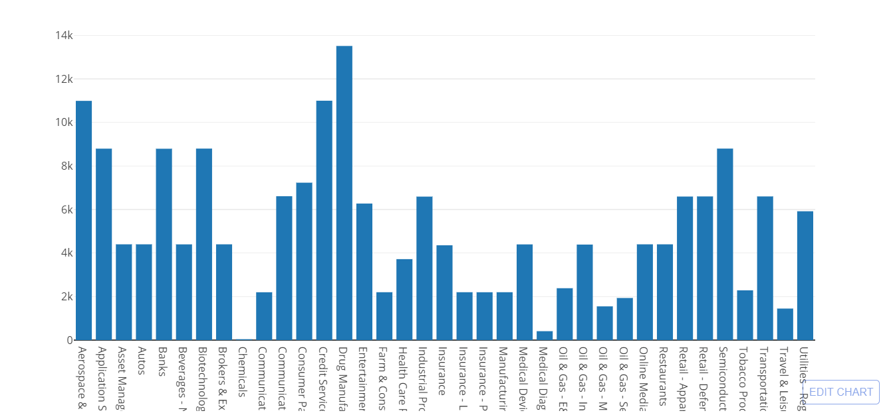
We decided to analyze the S&P 100, I thought it would be intereting to see their | for the number of tweets I counted them by sector (with what % the industry makes up the S&P) to give a better overview of how an industry behaves on social media. The 2nd chart then went more granular to view all of the companies, breaking down the frequency they used retweets/@ interaction/hashtags and urls
social media behavior (how often they tweet, what types of tweets). Who tweets the most. how do they interact (if at all) with the user base.

Summary

- *still doing analysis on tweet behavior
- drug mfg have tweeted the most. want to add the % of each industry to balance the # of tweets vs overall makeup of the S&P

* [ ] Describe the questions you and your group found interesting, and what motivated you to answer them

We decided to analyze the S&P 100, I thought it would be intereting to see there
social media behavior (how often they tweet, what types of tweets).

* [ ] Summarize where and how you found the data you used to answer these questions
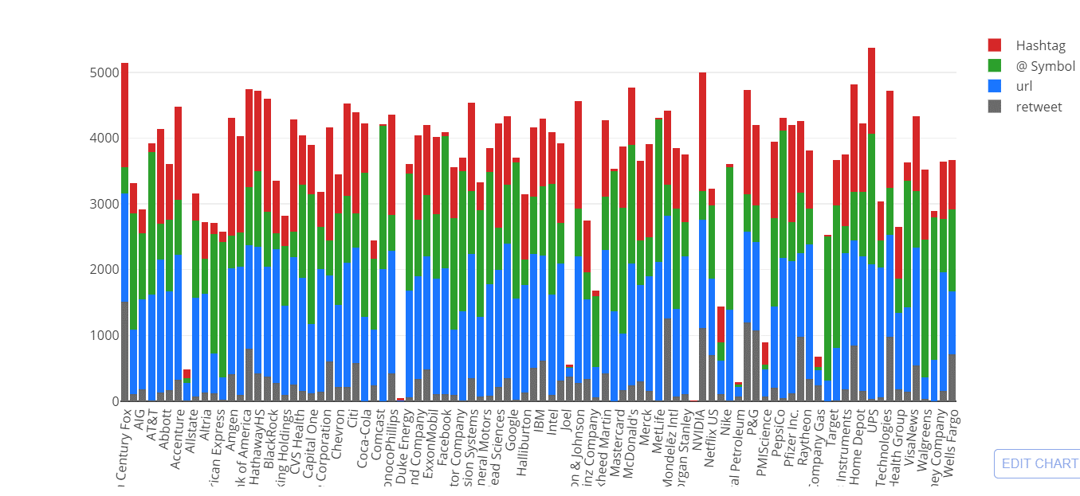
I used the tweepy api with a user_timeline search. Manually found the @handles for the S&P 100 (if present) and used a loop
to do a timeline search of 200 tweets for 10 times. Gathered aproximately 187,000 tweets. Then ran loops on the tweet text (using regular expressions)to count different types of
tweeting behavior (retweets, @ interatction, posting of url's and use of hashtags)

* [ ] Describe the data exploration and cleanup process (accompanied by your Jupyter Notebook)

Troubleshooting -
The text of a few tweets would break the string and spill part of the data over to another row. Tried several different methods to remove
new line characters (which was my guess as to what was causing the issue). Ended up having to find these rows based on a criteria after the fact.
@ interaction was difficult to count. This is because a retweet also includes an @ symbol or the @ symbol could be buried further in the tweet. so my code would count both an @ and a retweet.
to solve this problem I coded so if it was counted as a retweet it would then not add that to the @mention count. if it was not contain "RT @" then it did get counted

One company that didnt have a twitter handle (Danaher Corporation) wouldnt throw an error and instead the loop would pull MY timeline tweets. very strange...

